Instructions
INSTRUCTIONS

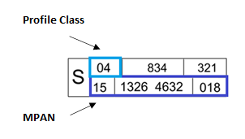
Customer Name - As it appears on Company's House
Site Address - The supply address of the MPAN
Billing Address - The address where the bills will be issued
Current Contract End Date - If you are in a contract with your current supplier, please confirm the date that the contract ends
Supply Start Date with EDF - Your requested start date with EDF
MPAN - You can find your electricity meter supply number on your bills
HH/nHH - Profile class defines the meter type (00 = HH and 01 - 08 = nHH)
KVA (for HH sites only) - This information is displayed on your bills. Alternatively, you can find this information from your local Distribution Network Operator (DNO)
Estimated Annual Consumption - The estimated amount of energy (kWh) that the site will use over a 12 month period
Agent Details - Please complete this if you have a contract in place for either of your Data Aggregator, Data Collector or Meter Operator
Payment Method- Your preferred choice of payment
Payment Duration - Your preferred payment duration, e.g. 7, 10, 14, 21, 28, 30 days
Energy Source - Your preferred energy source as detailed below
Description
Standard; Our standard product, classed as Brown
Zero Carbon for Business; Sourced from zero carbon Nuclear generation
UK Renewable for Business; Sourced from a range of renewable technologies across the UK only
Clean Renewable; Specifically sourced from wind, solar and hydro assets
Blended Zero Carbon; A mix of 50% Zero Carbon and 50% UK Renewable fuel sources
Consolidated Billing - Combine multiple sites into a single parent invoice
Key Business Contact Details - Point of contact for any supply queries
Company Registration Details - As it appears on Company's House

